1. Title Page
[Grocery Basket Analysis]

Project Name: Instacart Grocery Basket Analysis
Date:23.01.2024
Analyst Name: Pourya Ebrahimi

Contents:
Population Flow
Consistency checks
Wrangling steps
Column derivations
Visualizations
Recommendations

2. Population Flow
Title page

Population flow

Exclusion flag
Condition: max_order < 5
Obervations to be removed: 1441548
Final total count of order_products: 30992657

Orders_products_combined
Orders_products_merged
Orders_products_all

Total:32434212
Total: 32434489
Total: 32434212

1.) The grey boxes in the first row of the population flow represent the original data sets as they were when you downloaded them. In the Total fields you need to add the count of the rows when you imported the data set into Jupyter.
2.) The second row of boxes (coloured) represents the data sets after you manipulated them, e.g., removed missing values and duplicates. In the Total fields you need to add the count of the rows after conducting these operations. This offers a visual oveview of how the data flows throughout the data consistency checks.
3.) The third row, where also the arrows are coloured, represents the merges you performed between the datasets. In the Total fields you need to add the count of the rows in the merged datasets, so that you end up with the final dataset (in the red box). Keep in mind the final dataset should be without exclusions (based on the exclusion flag).

3. Consistency checks
 |  |  |  | Title page
Consistency checks

Dataset | Missing values | Missing values treatment | Duplicates
orders | 206209 missing values | no action needed | -
products | 16 missing name | not included in analysis | -
customers | 11259 first name | not included in analysis | -
ords_prods_prior | - | -

4. Wrangling steps
 |  |  |  | Title page
Wrangling steps

Columns dropped | Columns renamed | Columns' type changed | Comment/Reason
Data set: orders
eval_set |  |  | no need for the column
 | 'orders_dow' --> 'orders_day_of_week' |  | Make it easy to understand

 |  | order_id --> string | avoid treating as num in analysis
 |  | use_id --> string | avoid treating as num in analysis
Data set: products
 |  | 'products_name' --> string | checking for mixed data type
Data set: customer
 |  | 'first_name' --> string | checking for mixed data type
 | 'First Name' --> 'first_name' |  | consistency
 | 'Surnam' --> 'last_name' |  | consistency
 | 'Gender' --> 'gender' |  | consistency
 | 'STATE' --> 'state' |  | consistency
 | 'Age' --> 'age' |  | consistency

5. Column derivations
 |  |  |  | Title page

Column derivations and aggregations

In this tab you should add tables below that the frequences of flags/label variables that you produced after deriving them. NB: don't do this for continuous variables, only for flags.
Dataset | New column | Column/s it was derived from | Conditions
df_ords_prods_merge | price_range_loc | price | prices <= 5: 'Low range product' price > 5 and <= 15: 'Mid range product' price >15: 'High range product'
 | busiest_day | orders_day_of_week | value == 0: 'Busiest day' value == 4: 'Least busy' else: 'Regularly busy'
 | busiest_days | orders_day_of_week | value == 0 or 1: 'Busiest days' value == 4 or 3: 'Slowest days' else: 'Regular days'
 | busiest_period_of_day | order_hour_of_day | value == 10, 11, 14, 15, 13, 12, 16 or 9: 'Most orders' value == 3, 4, 2, 5, 1, 0, 6 or 23: 'Fewest orders' else: 'Average orders'
df_ords_prods_merge_derived | loyalty_flag | order | max_order > 40: 'Loyal customer' max_order <= 40 and > 10: 'Regular customer' max_order <= 10: 'New customer'
 | spending_flag | price range | mean_prices >= 10: 'High spender' mean_price <10: 'Low spender'
 | frequency_flag | intervals | median_orders_interval > 20: 'Non-frequent customer' median_orders_interval <= 20 and >10: 'Regular customer' median_orders_interval <= 10: 'Frequent customer'
df_ex_sub, df_s | region | state | conditions see links: https://simple.wikipedia.org/wiki/List_of_regions_of_the_United_States
df_s | age_flag | age | age < = 24: 'Young Adult' age >24 and <= 44: 'adult' age > 44 and <=60: 'middle aged' age >60:'senior'
 | income_flag | income | income >= 100k: 'High income' income < 100k and >= 50k: 'Middle income' income < 50k: 'Low income'

6. Visualizations
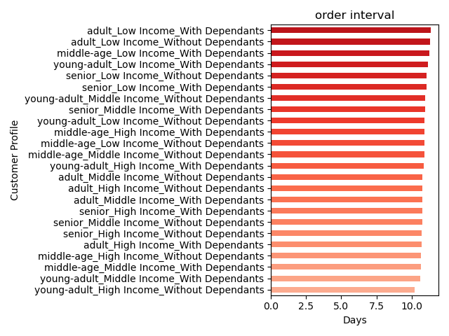
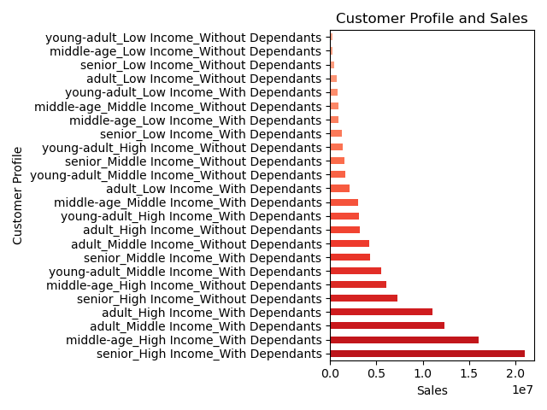
Title page

Visualisations

1.The sales team needs to know what the busiest days of the week and hours of the day are in order to schedule ads at times when there are fewer orders.

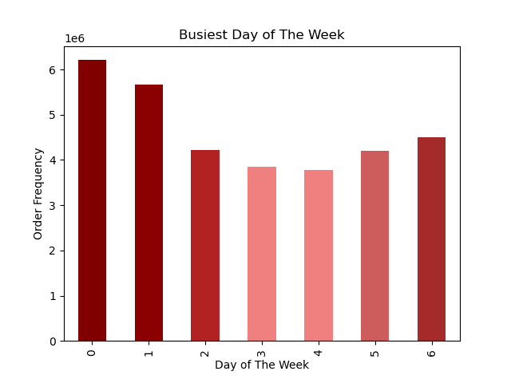
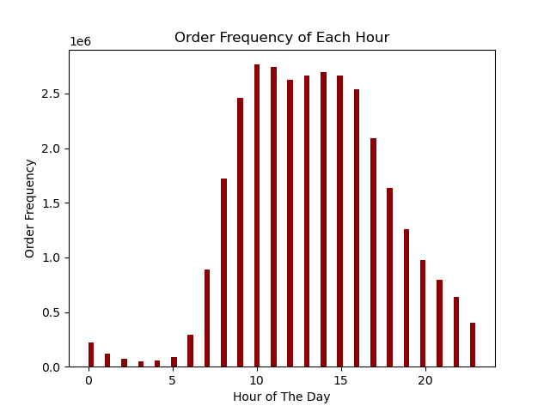

2.They also want to know whether there are particular times of the day when people spend the most money, as this might inform the type of products they advertise at these times.

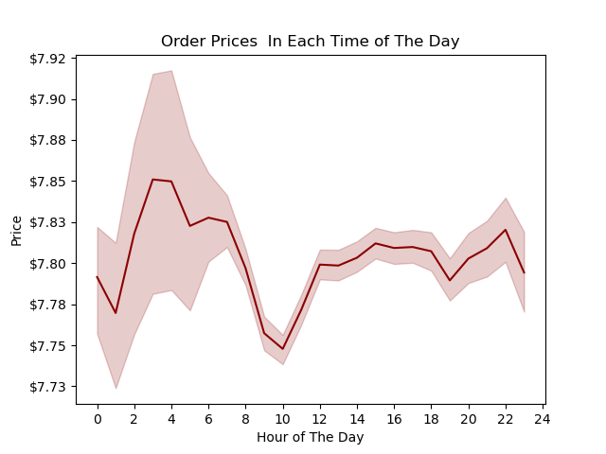

3.Instacart has a lot of products with different price tags. Marketing and sales want to use simpler price range groupings to help direct their efforts.

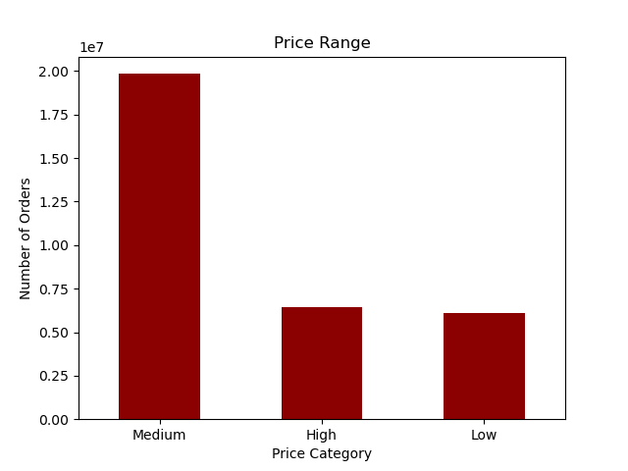
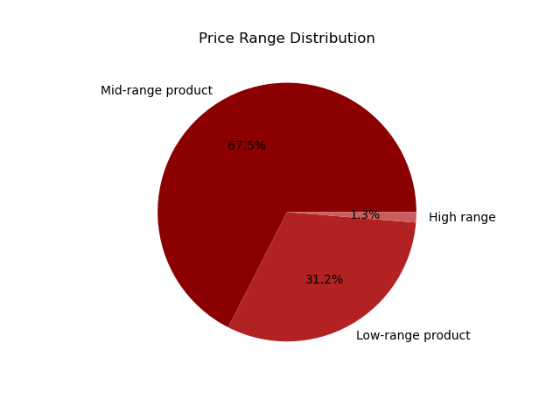

4.Are there certain types of products that are more popular than others? The marketing and sales teams want to know which departments have the highest frequency of product orders.
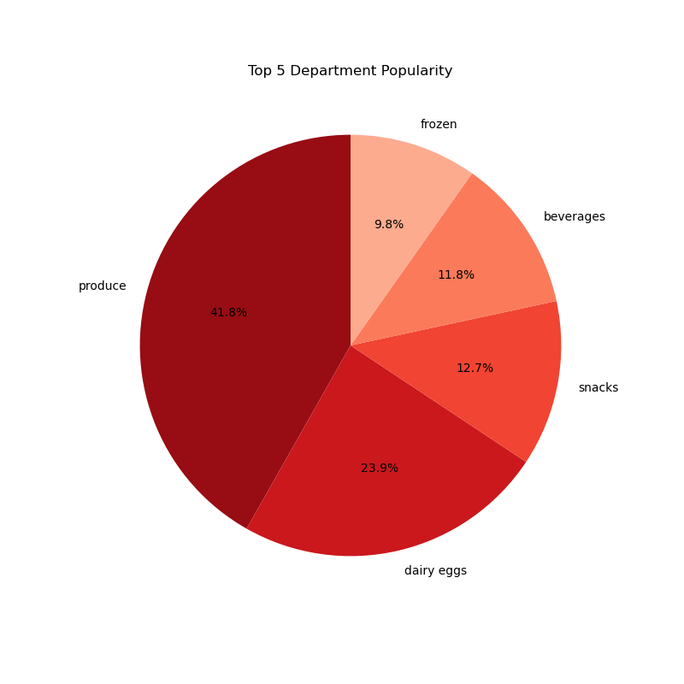

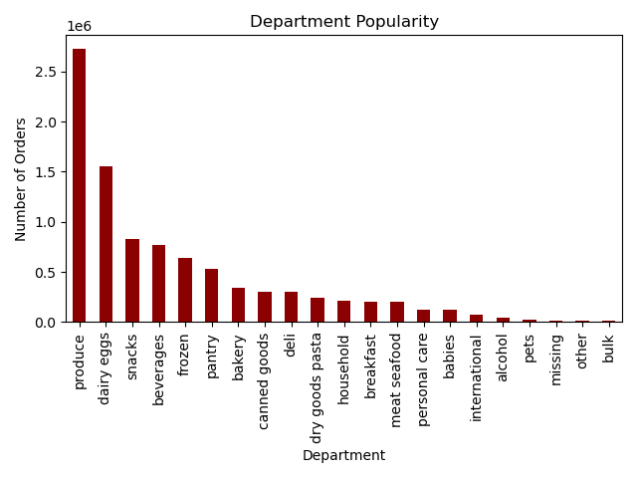

5.What’s the distribution among users in regards to their brand loyalty (i.e., how often do they return to Instacart)?

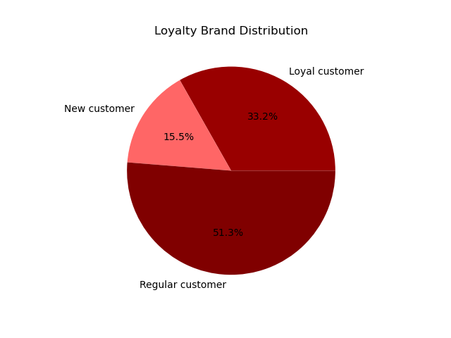

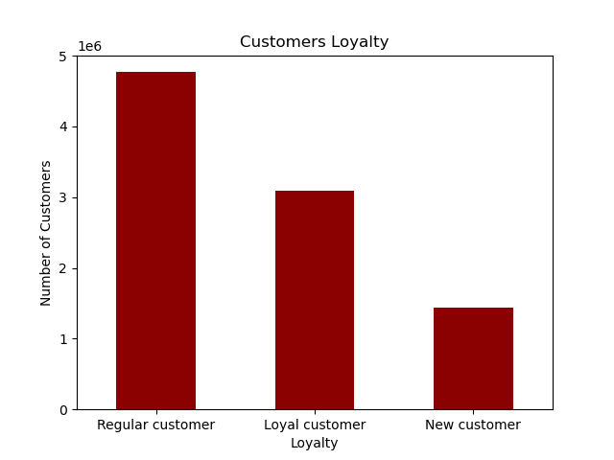

6.Are there differences in ordering habits based on a customer’s loyalty status?

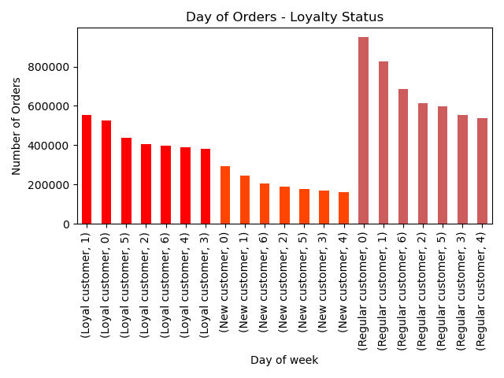
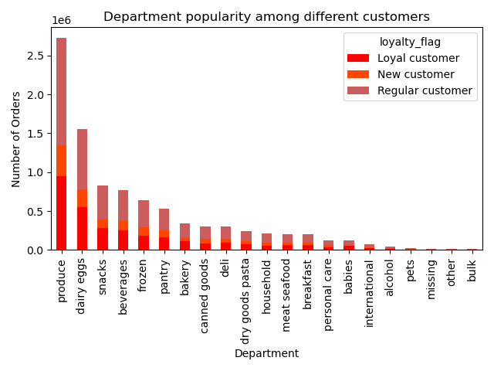
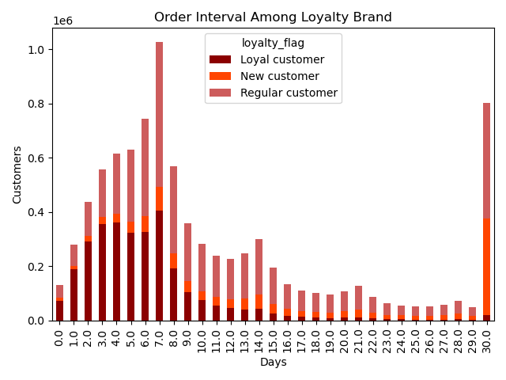

7.Are there differences in ordering habits based on a customer’s region?

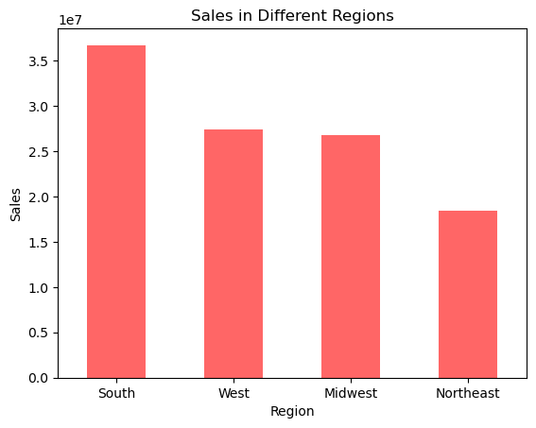
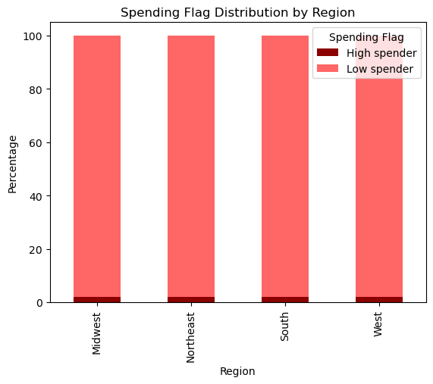

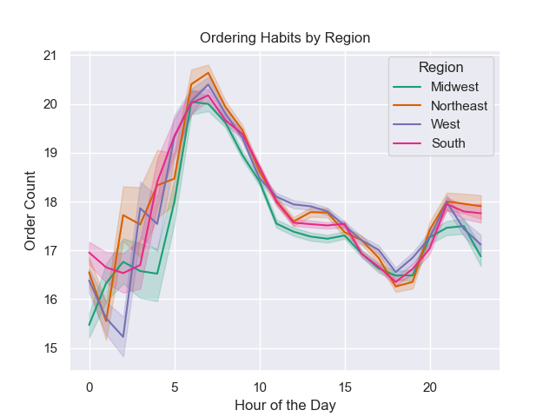

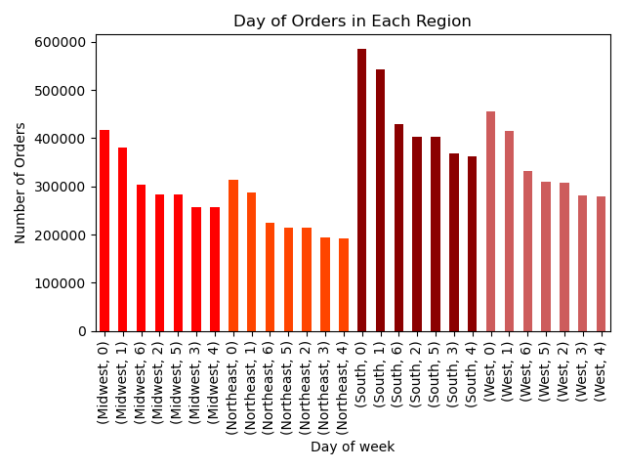

8.Is there a connection between age and family status in terms of ordering habits?

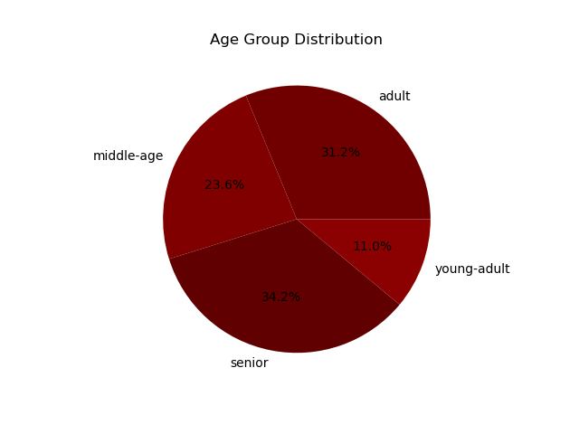
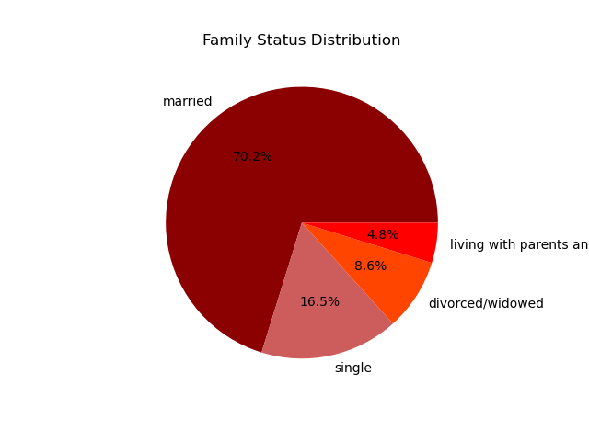

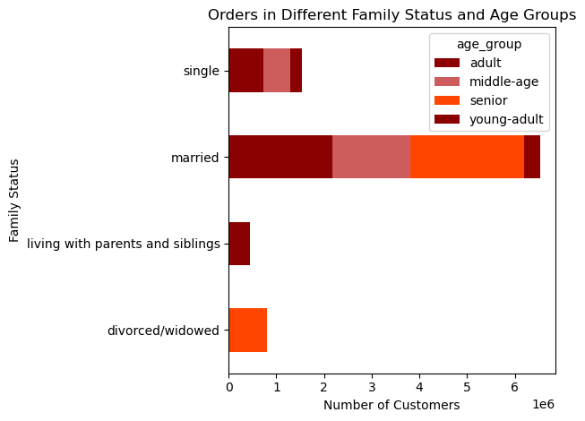

9.What different classifications does the demographic information suggest? Age? Income? Certain types of goods? Family status?

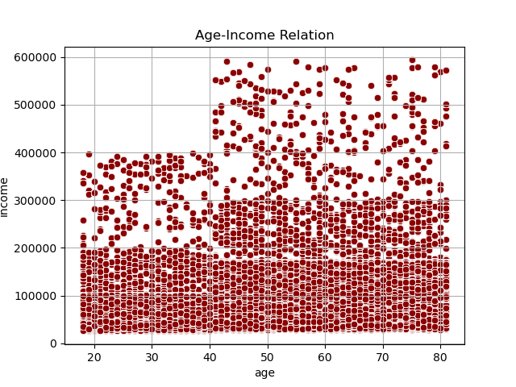

10.What differences can you find in ordering habits of different customer profiles? Consider the price of orders, the frequency of orders, the productscustomers are ordering, and anything else you can think. of

7. Recommendations
Recommendations

1.The sales team needs to know what the busiest days of the week and hours of the day are in order to schedule ads at times when there are fewer orders.

Recommendation: Schedule ads strategically during the least busy days, prioritizing Wednesday and Tuesday. Optimal hours for ad placement are between 9 AM to 4 PM, aligning with periods of lower order activity. This approach can maximize sales opportunities during quieter times.

2.They also want to know whether there are particular times of the day when people spend the most money, as this might inform the type of products they advertise at these times.

Recommendation: Focus on advertising high-value products during peak spending hours, especially between 2-4 PM and around 10 PM. Consider adjusting product promotions to align with these periods of increased consumer spending, maximizing revenue opportunities during these specific time frames.

3.Instacart has a lot of products with different price tags. Marketing and sales want to use simpler price range groupings to help direct their efforts.

Recommendation: Streamline marketing efforts by concentrating on the mid-range price products, which constitute 67% of the inventory. Allocate a significant focus on the 31% of low-range price products, while maintaining a strategic approach for the high-range products, which contribute more than 1%. This approach ensures efficient resource utilization across different price segments.

4.Are there certain types of products that are more popular than others? The marketing and sales teams want to know which departments have the highest frequency of product orders.

Recommendation: Prioritize marketing efforts on departments with the highest frequency of product orders, focusing on Dairy & Eggs, Snacks, Beverages, Frozen, and Pantry categories. Develop targeted campaigns, promotions, and advertisements for these popular product segments to capitalize on their high demand and maximize sales potential.

5.What’s the distribution among users in regards to their brand loyalty (i.e., how often do they return to Instacart)?

Recommendation: Tailor engagement strategies based on user loyalty levels. Allocate resources to nurture the 33% loyal users through loyalty programs and exclusive offers. Maintain consistent efforts for the 51% regular users to reinforce their loyalty. Implement onboarding campaigns for the 15% new users to encourage repeat usage and foster brand loyalty.

6.Are there differences in ordering habits based on a customer’s loyalty status?

Recommendation: Recognize the variations in ordering habits based on customer loyalty. For loyal customers with shorter order intervals, implement personalized promotions and loyalty rewards to maintain engagement. For loyal customers with longer intervals (e.g., 30 days), consider targeted re-engagement campaigns to encourage more frequent orders. Tailor marketing strategies to address the unique needs of both segments within the loyal customer base.

7.Are there differences in ordering habits based on a customer’s region?

Recommendation: Adapt regional marketing strategies to capitalize on sales trends. Prioritize promotional activities in the South, West, Midwest, and Northeast regions, considering their similar spending patterns. Tailor promotional timings for the West region, focusing on peak activity periods and addressing the lower activity around 2 o'clock. Implement targeted campaigns that resonate with the specific preferences and behaviors of each region to maximize sales opportunities.

8.Is there a connection between age and family status in terms of ordering habits?

Recommendation: Recognize the connection between age, family status, and ordering habits. Focus marketing efforts on the married segment, particularly targeting seniors and adults. Tailor promotions for young adults living with parents. Consider personalized outreach for single and divorced/widowed customers. Implement campaigns that align with the specific needs and preferences of each demographic group to enhance customer satisfaction and engagement.

9.What different classifications does the demographic information suggest? Age? Income? Certain types of goods? Family status?

Recommendation: Classify customers based on demographic information for targeted marketing. Create age-specific campaigns, emphasizing high-income products for customers above 40 with income exceeding 400k. Tailor promotions for younger customers with incomes in the 200k-400k range. Align product offerings and marketing messages to the income and age demographics to enhance relevance and drive higher engagement.

10.Is there a connection between age and family status in terms of ordering habits?

Recommendation: Prioritize marketing efforts towards senior high-income customers with dependents, followed by middle-aged high-income customers with dependents and adult high-income customers with dependents, as they contribute the most revenue. Tailor promotions and product recommendations to align with the preferences of these customer segments. Focus on maintaining consistent order intervals to sustain their engagement. Implement loyalty programs to further enhance the relationship with these high-value customer profiles.

